material_grade
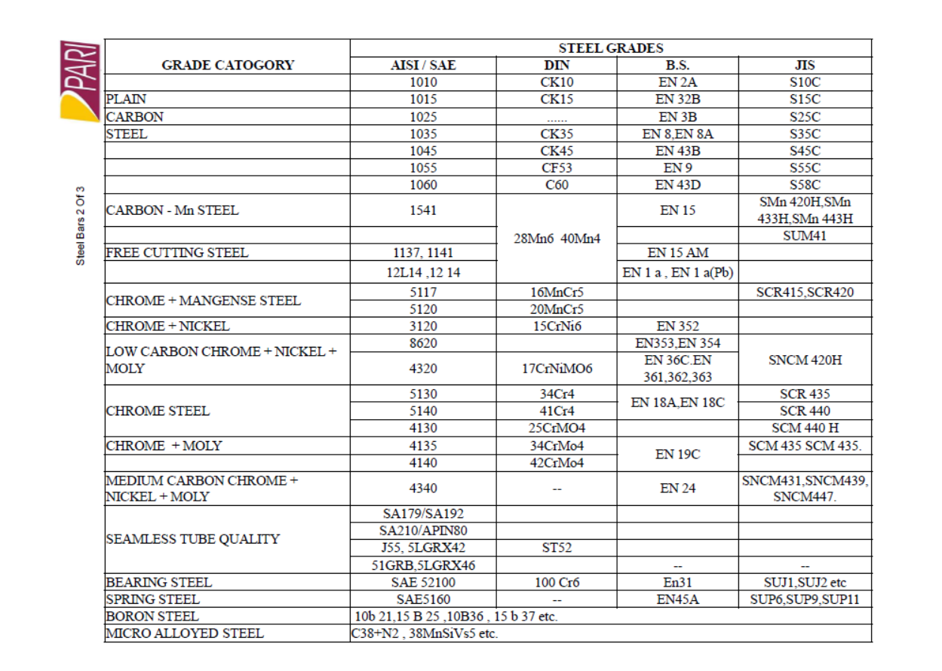

C-Channel
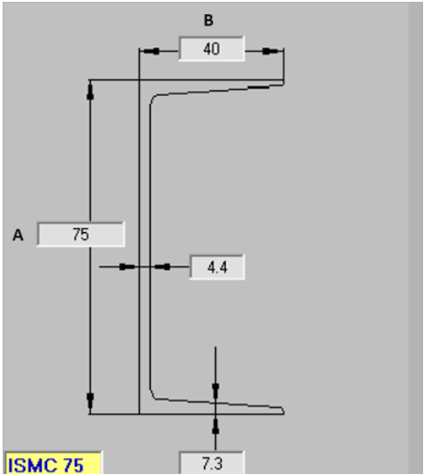
 | Material-MS

Sr.No | Description | A | B | Thick. A side | Thick. B side
1 | ISMC | 75 | 40 | 4.4 | 7.3
2 | ISMC | 100 | 50 | 4.7 | 7.5
3 | ISMC | 125 | 65 | 5 | 8.1
4 | ISMC | 150 | 75 | 5.4 | 9
5 | ISMC | 175 | 75 | 5.7 | 10.2
6 | ISMC | 200 | 75 | 6.1 | 11.4
7 | ISMC | 225 | 80 | 6.4 | 12.4
8 | ISMC | 250 | 80 | 7.1 | 14.1
9 | ISMC | 300 | 90 | 7.6 | 13.6
10 | ISMC | 350 | 100 | 8.1 | 13.5
11 | ISMC | 400 | 100 | 8.6 | 15.3
12

ISMB-Beam
 | Material-MS
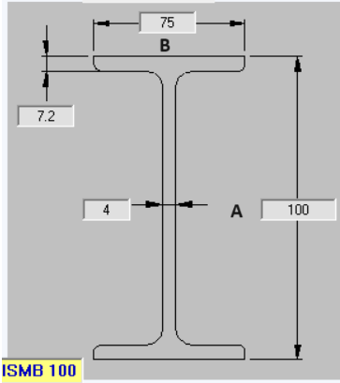
Sr.No | Description | A | B | Thick. A side | Thick. B side
1 | ISMB | 100 | 75 | 4 | 7.2
2 | ISMB | 125 | 75 | 4.4 | 7.6
3 | ISMB | 150 | 80 | 4.8 | 7.6
4 | ISMB | 175 | 90 | 5.5 | 8.6
5 | ISMB | 200 | 100 | 5.7 | 10.8
6 | ISMB | 225 | 110 | 6.5 | 11.8
7 | ISMB | 250 | 125 | 6.9 | 12.5
8 | ISMB | 300 | 140 | 7.5 | 12.4
9 | ISMB | 350 | 140 | 8.1 | 14.2
10 | ISMB | 400 | 140 | 8.9 | 16
11 | ISMB | 450 | 150 | 9.4 | 17.4
12 | ISMB | 500 | 180 | 10.2 | 17.2
13 | ISMB | 550 | 190 | 11.2 | 19.3
14 | ISMB | 600 | 210 | 12 | 20.8

ISA-Angle
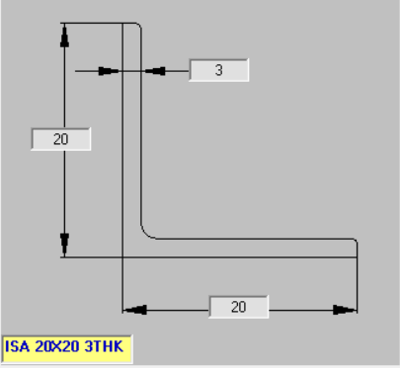
Material-MS
For Equal ISA Angles
Sr.No | Description | A | B | Wall thickness(mm)
1 | ISA ANGLE | 20 | 20 | 3,4
2 | ISA ANGLE | 25 | 25 | 3,4,5
3 | ISA ANGLE | 30 | 30 | 3,4,5
4 | ISA ANGLE | 35 | 35 | 3,4,5,6
5 | ISA ANGLE | 40 | 40 | 3,4,5,6
6 | ISA ANGLE | 45 | 45 | 3,4,5,6
7 | ISA ANGLE | 50 | 50 | 3,4,5,6
8 | ISA ANGLE | 55 | 55 | 5,6,8,10
9 | ISA ANGLE | 60 | 60 | 5,6,8,10
10 | ISA ANGLE | 65 | 65 | 5,6,8,10
11 | ISA ANGLE | 70 | 70 | 5,6,8,10
12 | ISA ANGLE | 75 | 75 | 5,6,8,10
13 | ISA ANGLE | 80 | 80 | 6,8,10,12
14 | ISA ANGLE | 90 | 90 | 6,8,10,12
15 | ISA ANGLE | 100 | 100 | 6,8,10,12
16 | ISA ANGLE | 110 | 110 | 8,10,12, 15
17 | ISA ANGLE | 130 | 130 | 8,10,12, 15
18 | ISA ANGLE | 150 | 150 | 10,12,15, 18
19 | ISA ANGLE | 200 | 200 | 12,15,18, 25

